exe.ua
ID | 1 | 2 | 3 | 4 | 5
Summary | The system allows the value "-7" to be entered in the "Price" filter field | The system allows letters to be entered in the price filter field | You cannot enter more than 99 units in the "quantity" field on the shopping cart page | Product image not displayed - TRUST Yvi Wireless Blue Brush Mouse (24442) | The system sets the quantity to a number greater than the current stock and adjusts the price
Pre-condtitions | Open the website https://exe.ua/ua/ | Open the website https://exe.ua/ua/ | Visit the website https://exe.ua/ua/ | Visit the website - https://exe.ua/ | Open the website https://exe.ua/ua/
Steps | 1. Open the website https://exe.ua/ua/ 2. Select the "Tablets" section in the catalog 3. Select the value "-7" in the filter, then press Enter | 1. Open the website https://exe.ua/ua/ 2. Select the "Tablets" section in the catalog 3. In the filter, select the value "e", then press Enter | 1. Go to the "PC Accessories" section 2. Select the "Graphics Cards" category 3. Add the first graphics card to the shopping cart 4. Go to the cart by clicking the cart icon in the lower right corner | 1. Go to the "Computers" section 2. Select the "Computer Peripherals" category 3. Go to "Mice" 4. Select the product - Cherry Desktop STREAM RECHARGE [DE] Wireless black Deutschland (JD-8560DE-2) | 1. Visit https://exe.ua/ua/ 2. Go to the "Sale" section 3. Select the first router from the list and add it to your cart 4. Go to the cart 5. Change the quantity to "2"
Post-condtitions | Close website | Close website | Close website | Close website | Close website
Expected Result | Invalid price value | Invalid price value | You can enter a number of 100 or higher in the "quantity" input field on the cart page | Product image is displayed | Only 1 router in stock
Actual Result | The system allows the value "-7" to be entered | The system allows entering the value "e" | The website does not allow entering a number greater than 99 in the "quantity" field | Product image is not displayed | You can buy 2 routers; also, the price has changed
Severity | Cosmetic | Low | Low | Low | High
Priority | Low | Low | Low | Low | Critical
Type | Logical | Logical | Functional | Usability | Functional
Assigned
Status | Open | Open | Open | Open | Open
Date of creation | 10/06/2026 | 10/06/2026 | 10/06/2026 | 10/06/2026 | 10/06/2026
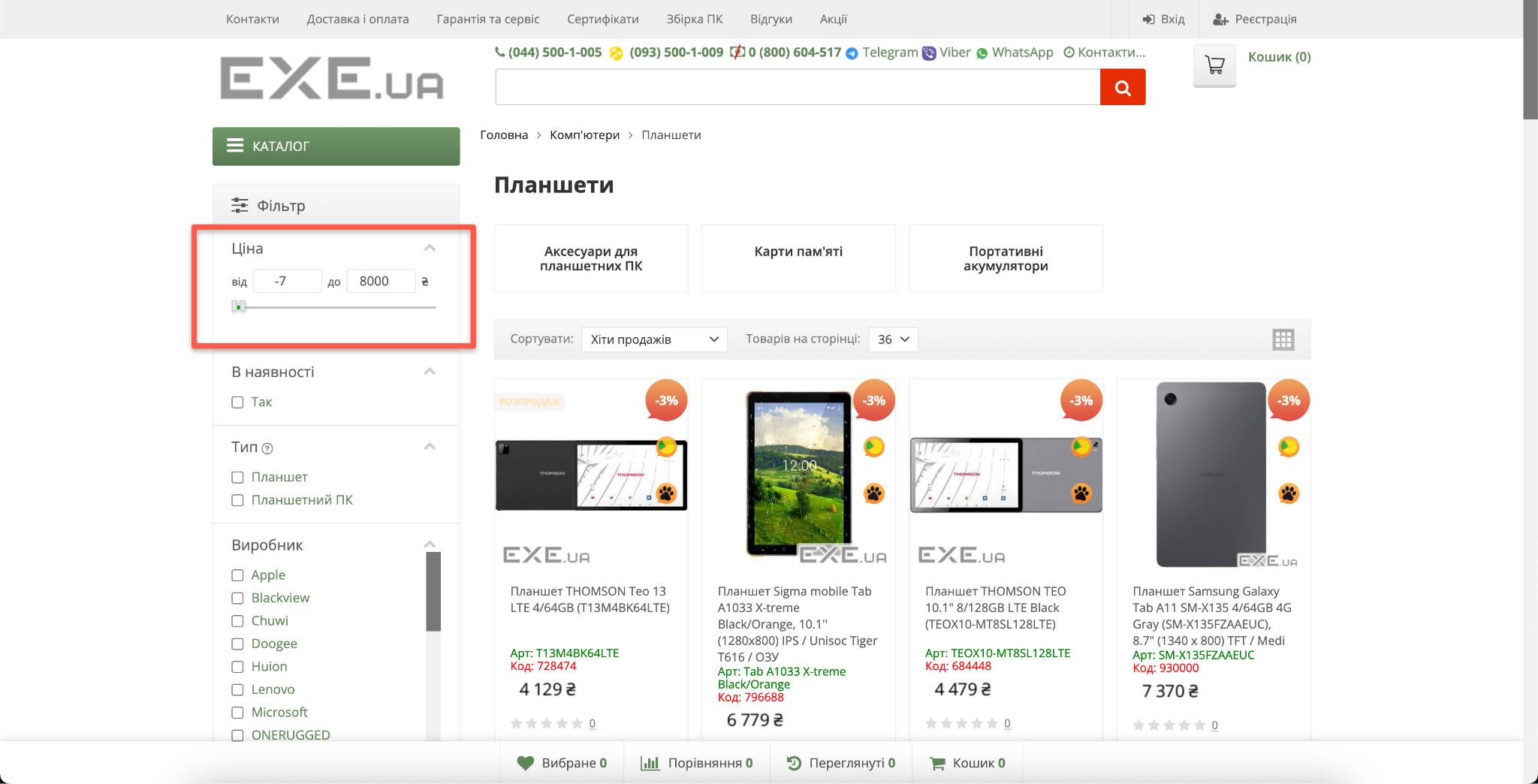

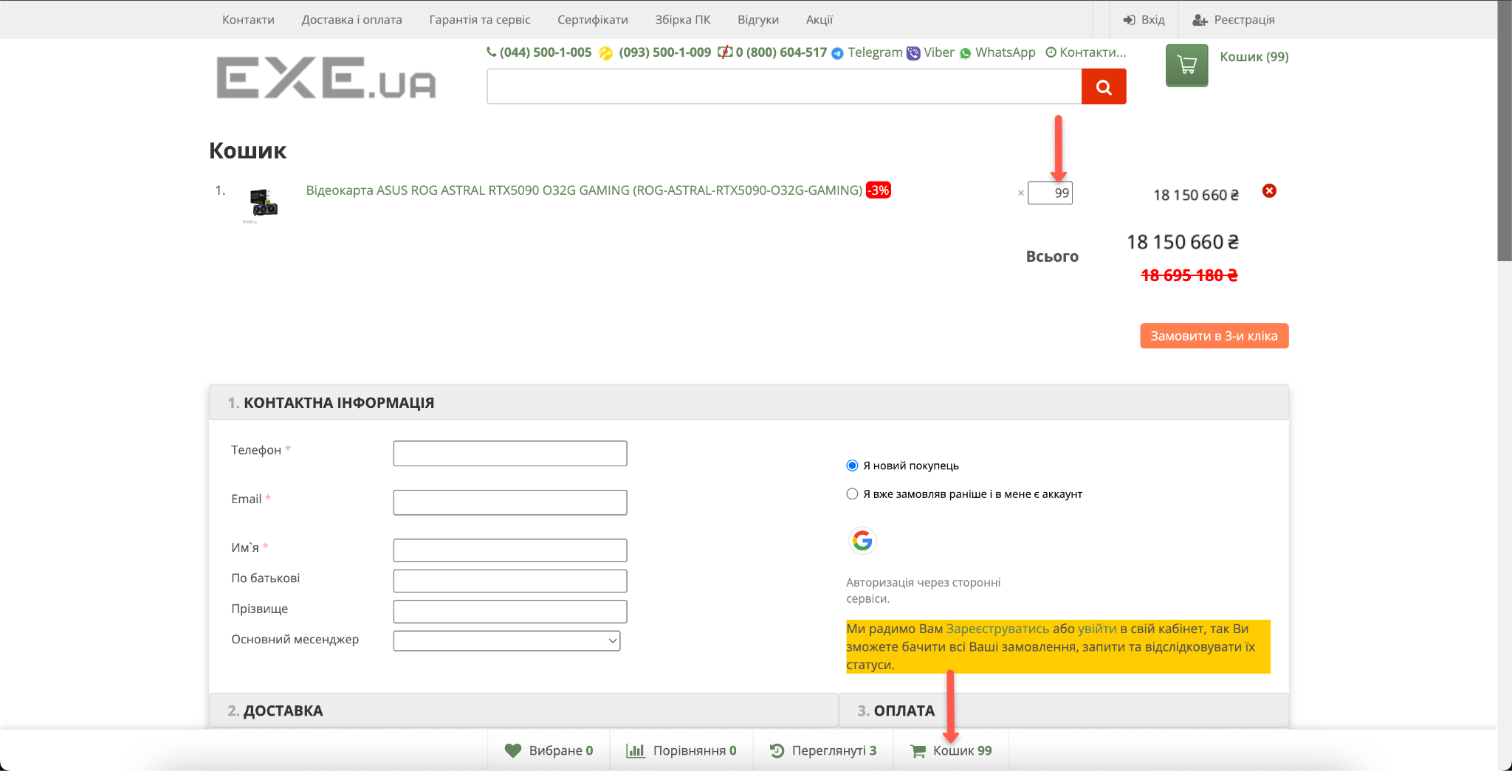
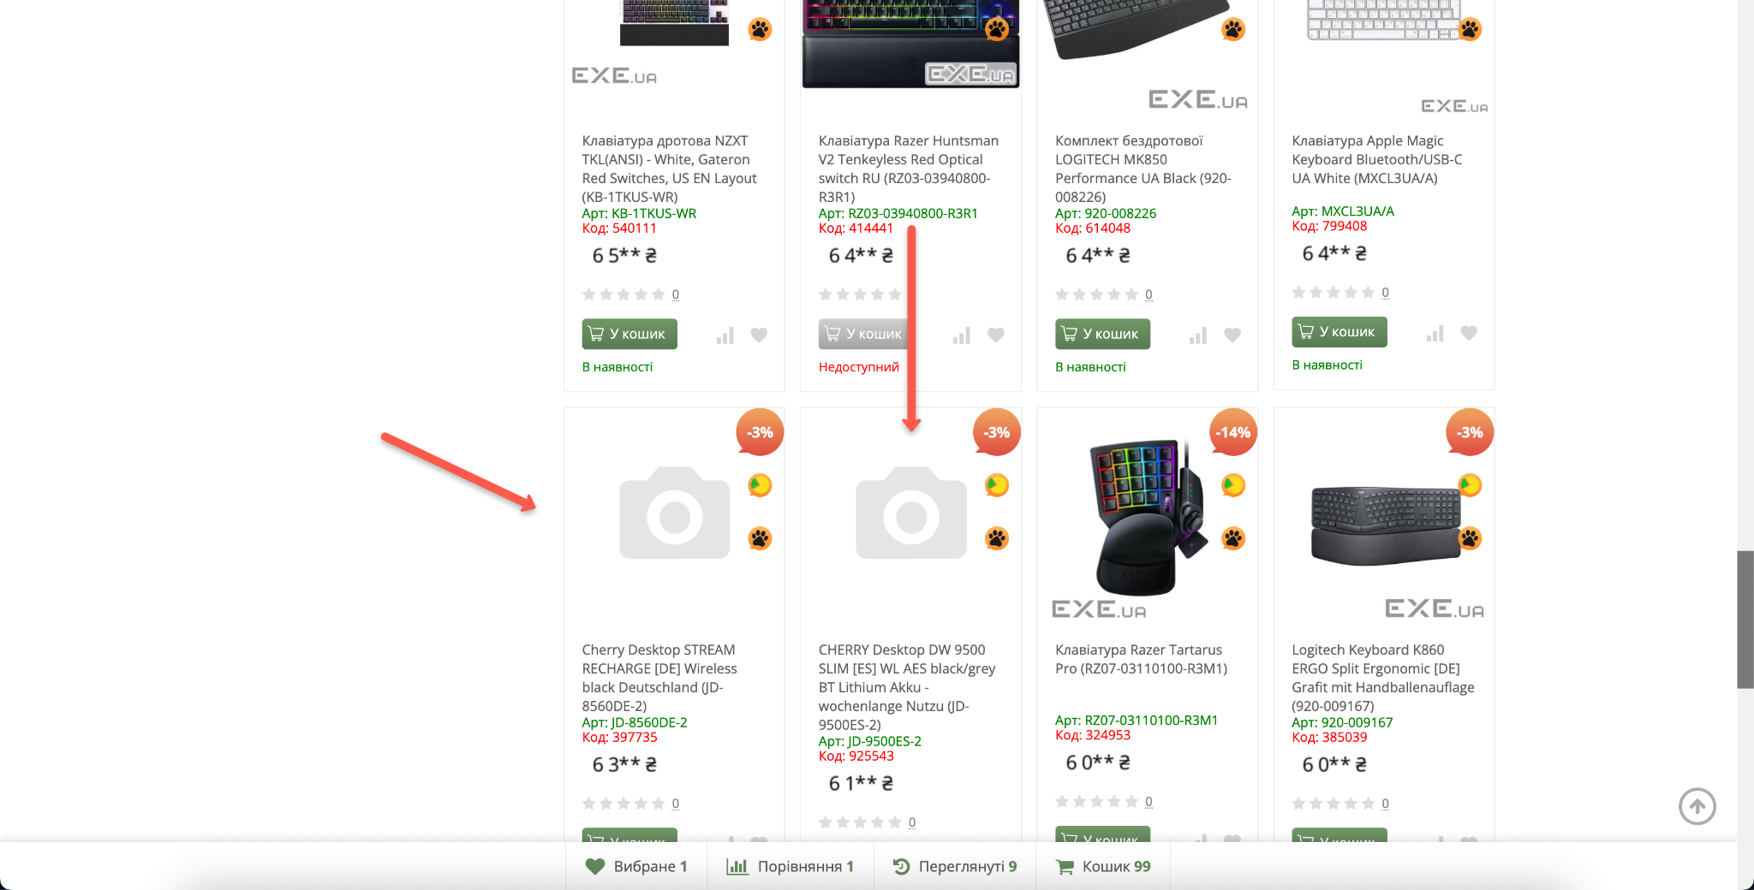
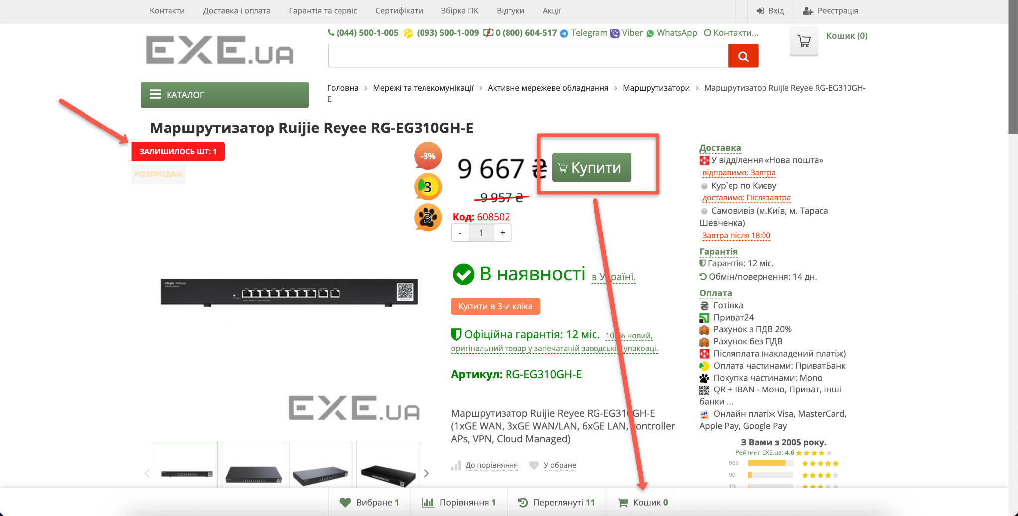
Environment | MacOS 15.7.5 | MacOS 15.7.5 | MacOS 15.7.5 | MacOS 15.7.5 | MacOS 15.7.5
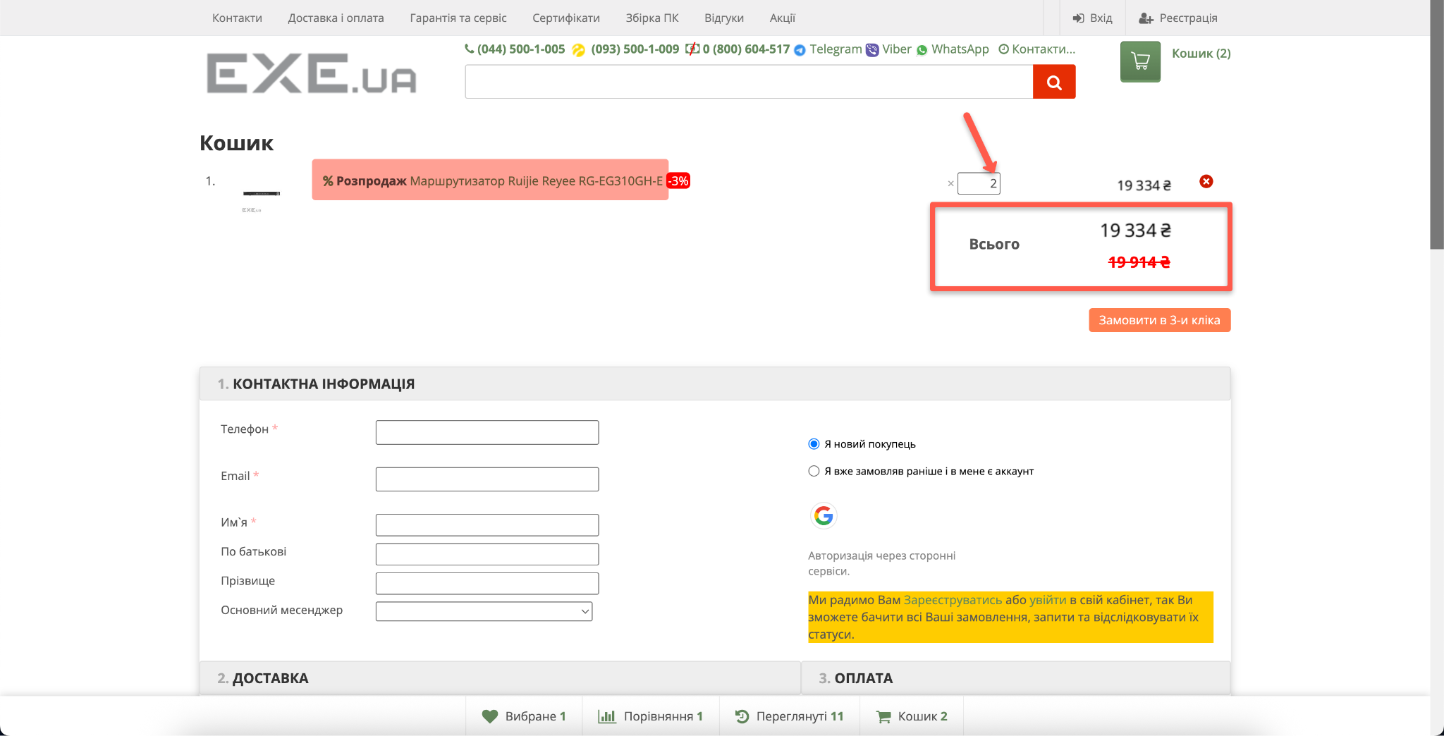
Screenshot

